Foglio1
FOTO | Style Name | Style Number | Color | Materials | Description | Available Sizes | Whls | Rrp | Q.TY
 | LE GRAND BAMBINO | BAW00007BC01C01990 | BLACK | 100% COTON 100% COW LEATHER | Bags / Top-handle bag / Women | OS | 372.73 € | 820.00 € | 25
 | LE GRAND BAMBINO | BAW00007BC01C0199S | BLACK/SILVER | 100% COTON 100% COW LEATHER | Bags / Top-handle bag / Women | OS | 372.73 € | 820.00 € | 38
 | LE GRAND BAMBINO | BAW00007AC01C04811 | LIGHT BROWN 2 | 100% COTON 100% COW LEATHER | Bags / Top-handle bag / Women | OS | 372.73 € | 820.00 € | 28
 | LE GRAND BAMBINO | BAW00007BC01A01850 | BROWN | 100% vacchetta /Fodera: 100% cotone | Bags / Top-handle bag / Women | OS | 372.73 € | 820.00 € | 45
 | LE GRAND BAMBINO | 213BA007-3100 | DARK BURGUNDY | 100% COTON 100% COW LEATHER | Bags / Top-handle bag / Women | OS | 335.00 € | 820.00 € | 47
 | LE GRAND BAMBINO | BAW00007BC01C01100 | WHITE | 100% COTON 100% COW LEATHER | Bags / Top-handle bag / Women | OS | 335.00 € | 820.00 € | 29
 | LE GRAND BAMBINO | BAW00007AC01C02120 | IVORY | 100% COTON 100% CALFSKIN | Bags / Top-handle bag / Women | OS | 335.00 € | 820.00 € | 49
 | LE GRAND BAMBINO | 213BA007-3100-390 | DARK NAVY | 100% COTON 100% CALFSKIN | Bags / Top-handle bag / Women | OS | 335.00 € | 820.00 € | 22
 | LE GRAND BAMBINO | 213BA007-3100-560 | KHAKI | 100% COTON 100% CALFSKIN | Bags / Top-handle bag / Women | OS | 335.00 € | 820.00 € | 10
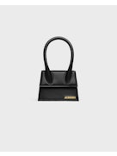 | LE CHIQUITO MOYEN | BAW00001BC01C01990 | BLACK | 100% COTON 100% COW LEATHER | Bags / Top-handle bag / Women | OS | 328.00 € | 720.00 € | 24
 | LE CHIQUITO MOYEN | BAW00001BC01C01100 | WHITE | 100% COTON 100% COW LEATHER | Bags / Top-handle bag / Women | OS | 328.00 € | 720.00 € | 13
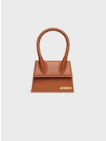 | LE CHIQUITO MOYEN | 213BA001-3072-810 | LIGHT BROWN 2 | 100% COTON 100% COW LEATHER | Bags / Top-handle bag / Women | OS | 328.00 € | 720.00 € | 29
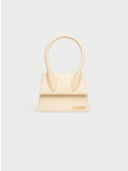 | LE CHIQUITO MOYEN | 213BA001-3060-120 | IVORY | 100% COTON 100% COW LEATHER | Bags / Top-handle bag / Women | OS | 328.00 € | 720.00 € | 11
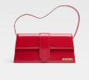 | Il Bambino lungo | 221BA013-3128-47G | RED | 100% pelle di vitello / Interno - 100% cotone | Bags / Top-handle bag / Women | OS | 386.36 € | 850.00 € | 14
 | Il Bambino lungo | 221BA013-3060-120 | IVORY | 100% vacchetta /interno - 100% cotone | Bags / Top-handle bag / Women | OS | 386.36 € | 850.00 € | 25
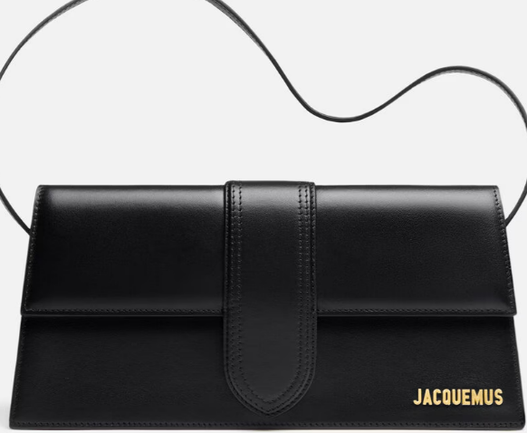 | Il Bambino lungo | BAW00013AC01C02990 | BLACK | 100% vacchetta /interno - 100% cotone | Bags / Top-handle bag / Women | OS | 386.36 € | 850.00 € | 43
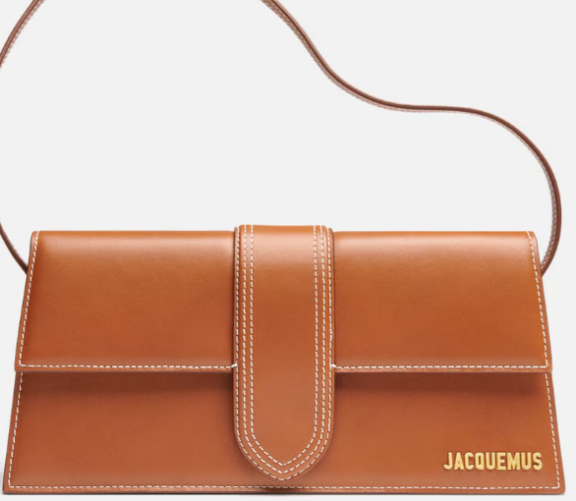 | Il Bambino lungo | BAW00013AC01C04811 | LIGHT BROWN | 100% vacchetta /interno - 100% cotone | Bags / Top-handle bag / Women | OS | 386.36 € | 850.00 € | 35
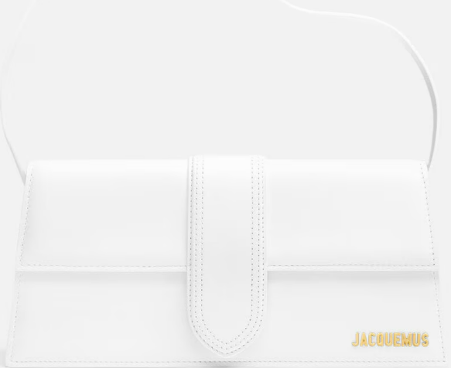 | Il Bambino lungo | 221BA013-3060-100 | WHITE | 100% vacchetta /interno - 100% cotone | Bags / Top-handle bag / Women | OS | 386.36 € | 850.00 € | 23
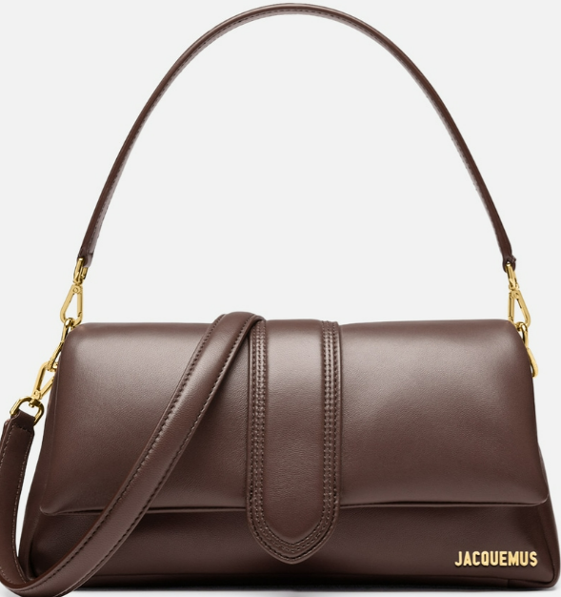 | Il Bambimou | 231BA052-3073-855 | MEDIUM BROWN | 100% pelle di agnello / Interno: 100% cotone | Bags / Top-handle bag / Women | OS | 450.00 € | 990.00 € | 65
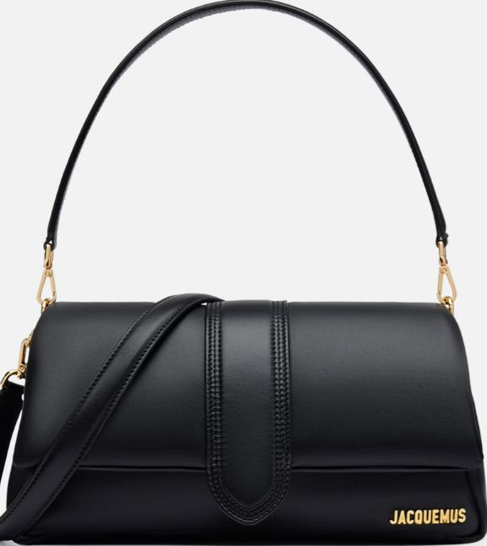 | Il Bambimou | 231BA052-3073-990 | BLACK | 100% pelle di agnello / Interno: 100% cotone | Bags / Top-handle bag / Women | OS | 450.00 € | 990.00 € | 75
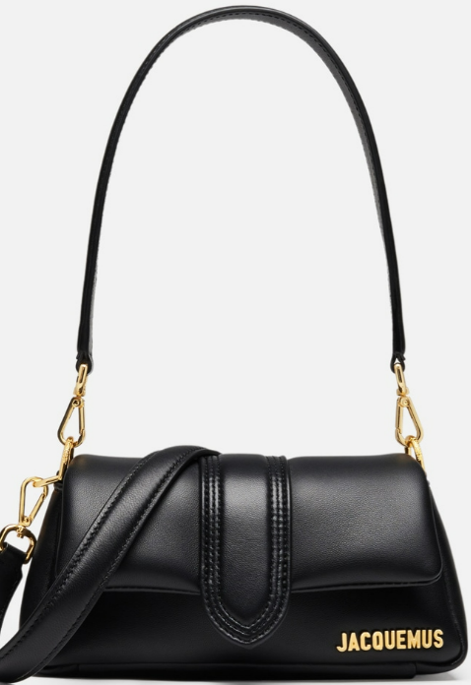 | Il piccolo Bambimou | 233BA335-3073-990 | BLACK | 100% pelle di agnello / Interno: 100% cotone | Bags / Top-handle bag / Women | OS | 386.36 € | 850.00 € | 45
 | Il piccolo Bambimou | 233BA335-3073-855 | MEDIUM BROWN | 100% pelle di agnello / Interno: 100% cotone | Bags / Top-handle bag / Women | OS | 348.00 € | 850.00 € | 48
 |  |  |  |  |  |  |  |  | 743

